Directions
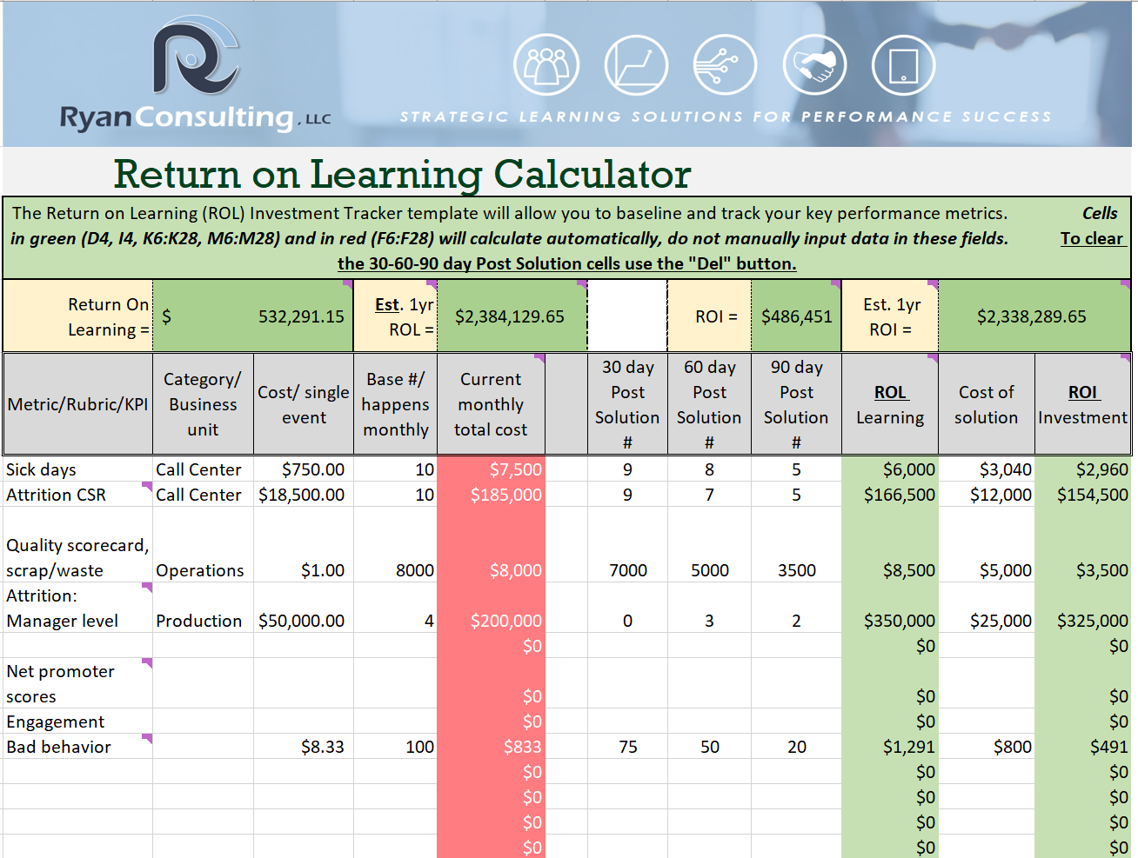
Welcome! Here is an example of the ROL calculator in use.
Some metric points have been included to consider and you can add your own.
Cells with colors, red and green, provide calculations automatically, you provide input in the cells without color.
Here are steps to follow that you can use on the tab "ROL Calculator" and please use the "Resource link" tab to utilize online calculators specific to individual metrics to help define the costs to aid in creating a benchmark.
Questions? Click the banner above or email at Bill@WilliamJRyan.com

Step 6: Track results here!

Step 1:
Identify the item to measure, Some to consider are included. User tip: Hover over the cell for tips and links (also in resource tab) to help calculate specific item costs.
You may want to add in the category or type of item being measured or the business partner, your choice!

Step 2:
For each item, identify the cost/ event. Ask the Lean, Quality teams & be comprehensive such as costs of benefits for roles plus salary.
Step 3:
Obtain the number of instances this item occurs monthly. Gather this data point BEFORE the learning solution is introduced.
Step 4:
Track the number you collected in Step 3 30 days post implementation of the learning solution. Repeat at 60 and 90 days post implementation. The column in green to the right (column K) will reflect the ROL.
User tip: when clearing the individual cells of the data use the "Del" key instead of simply tapping the space bar.
Step 5:
Put the cost of the solution used to establish the ROL. Include tech & staff costs to create, deliver, and support the solution.

Resource links
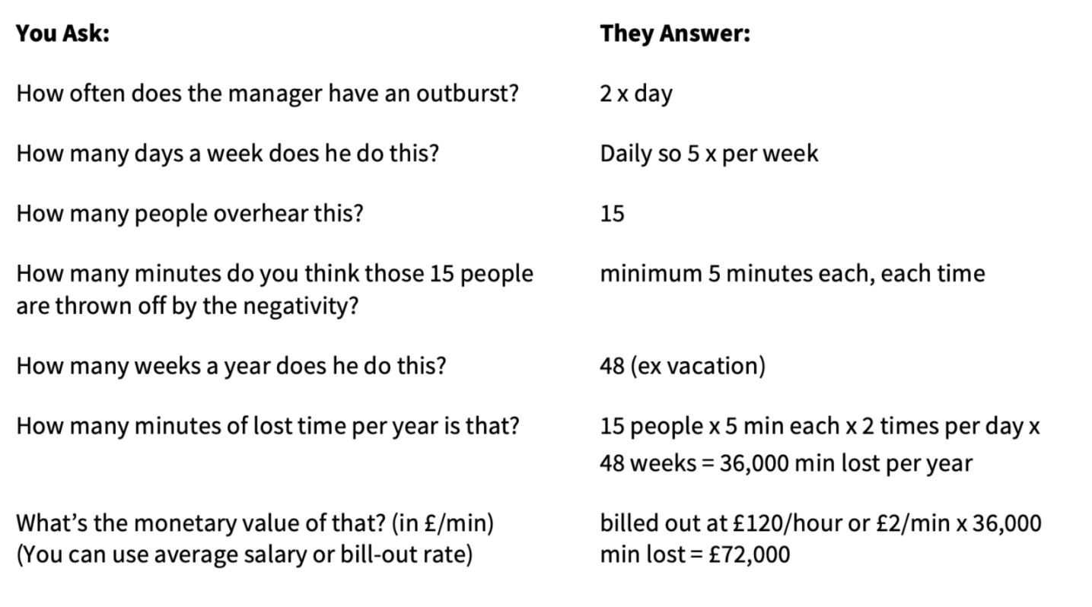
Here are some links to resources that may help you calculate your costs. In addition I have included some additional ideas on topics to measure and include that impact the organization.
Why Soft Skills Aren’t Fluffy – TLNT

User tip: This site uses the pound as its currency, once you have an answer go to a currency converter such as this example and convert to your monetary standard.
Currency Converter - MSN Money

Cost of Employee Turnover Calculator | Adecco (adeccousa.com)
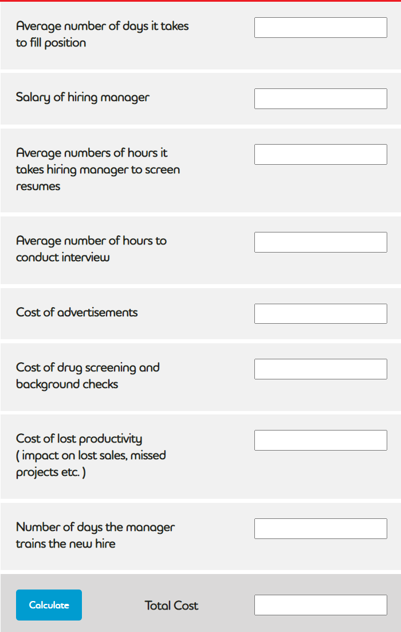

NPS calculator: Calculate your Net Promoter Score – Delighted
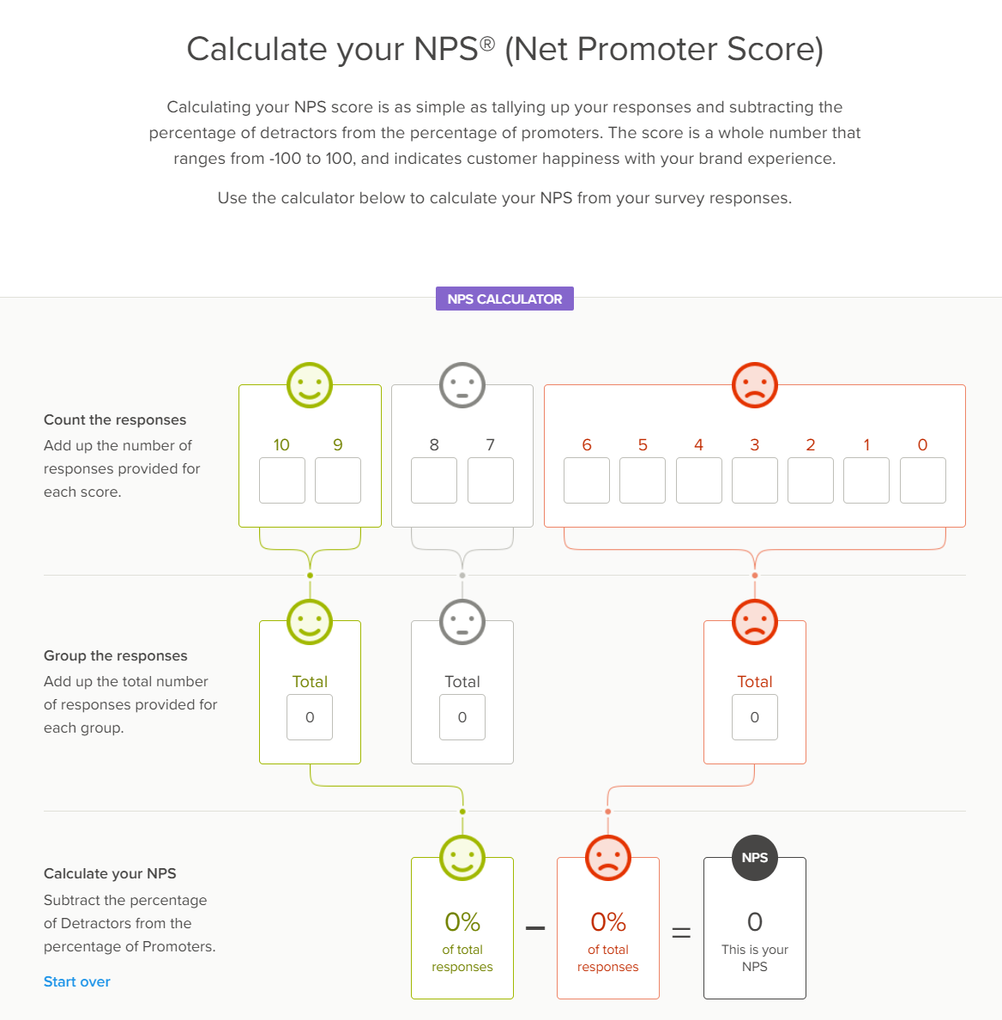

[Free Download] Measuring ROI of Employee Engagement [Free Calculator] | Leapsome

 | Free download of tool with email address provided, has multiple screen/questions to help calculate.

